Drug Dataset
Disease | Medicine_name | Smiles | Molecular Graph | NetworkX Graph
Throat cancer | Methotrexate | [H][C@@](CCC(O)=O)(NC(=O)C1=CC=C(C=C1)N(C)CC1=NC2=C(N)NC(=N)N=C2N=C1)C(O)=O | 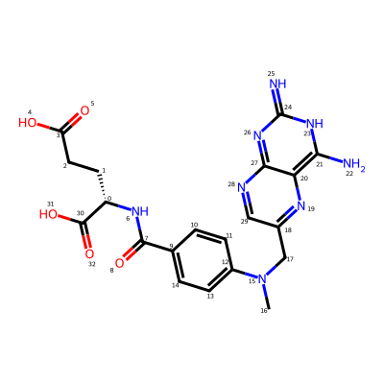 | 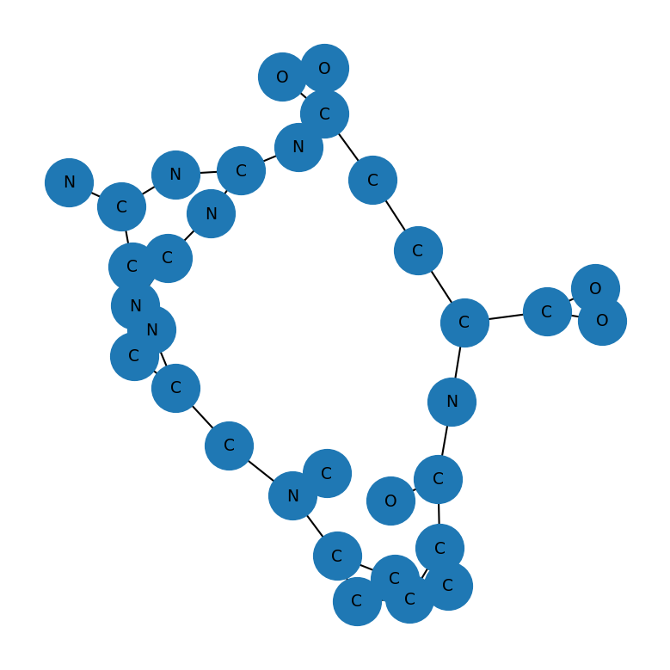
cancer | Cisplatin | [H][N]([H])([H])[Pt](Cl)(Cl)[N]([H])([H])[H] | 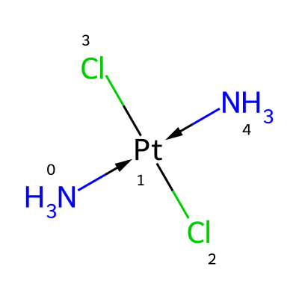 | 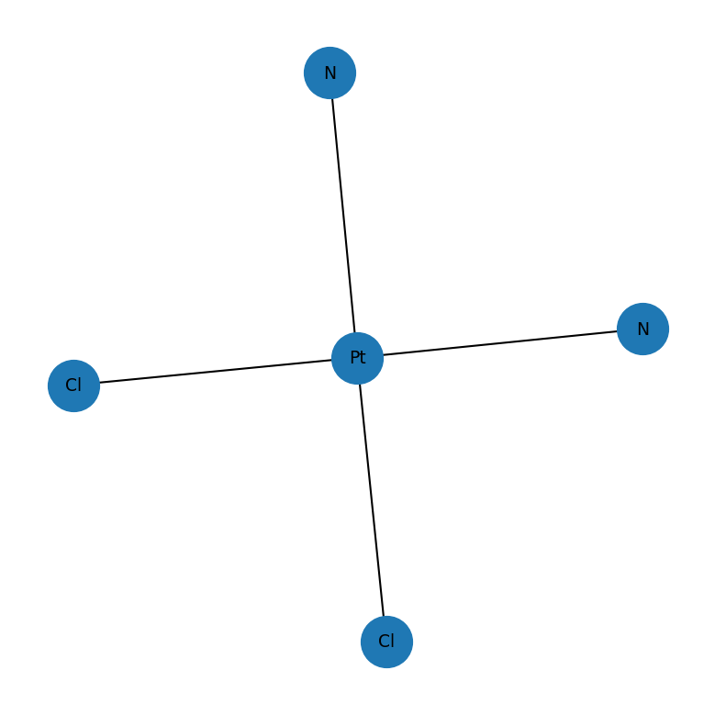
Skin cancer | Fluorouracil | FC1=CNC(=O)NC1=O | 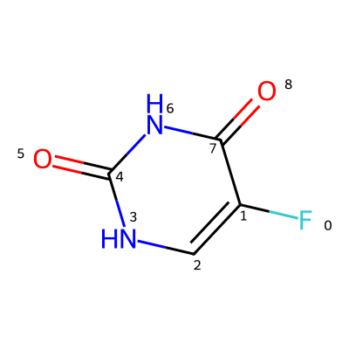 | 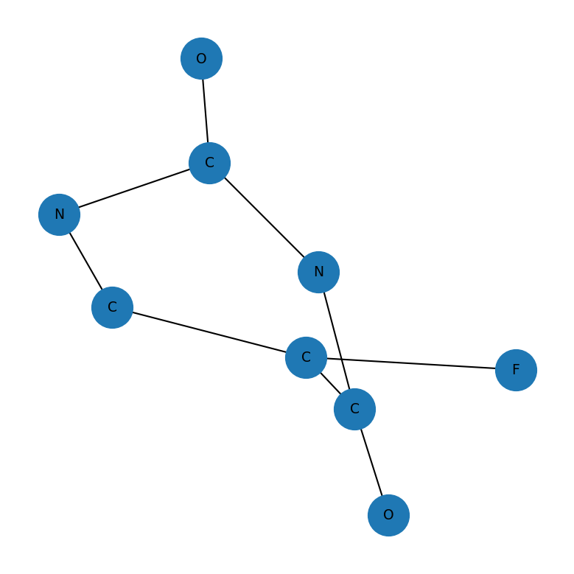
Cancer | Capecitabine | CCCCCOC(=O)NC1=NC(=O)N(C=C1F)[C@@H]1O[C@H](C)[C@@H](O)[C@H]1O | 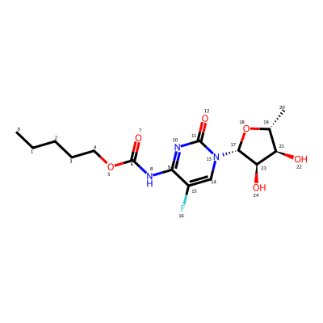 | 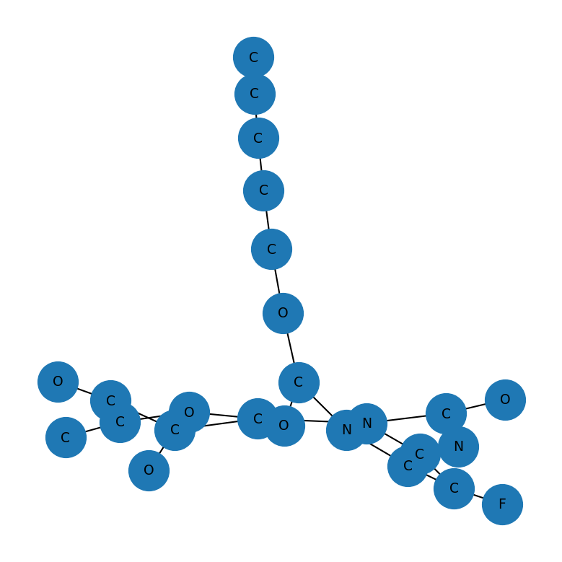
Cancer | Alpelisib | CC1=C(SC(NC(=O)N2CCC[C@H]2C(N)=O)=N1)C1=CC(=NC=C1)C(C)(C)C(F)(F)F | 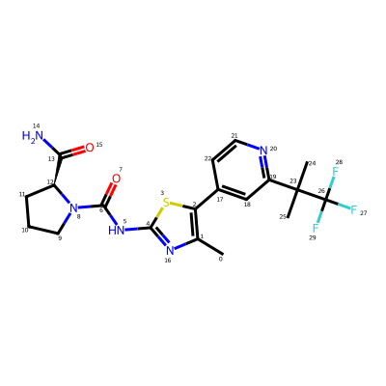 | 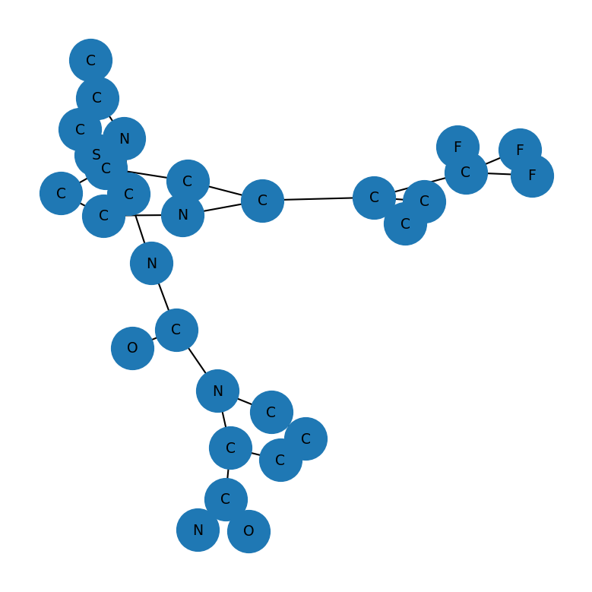
lung, appendix cancer | Sotorasib | CC(C)C1=NC=CC(C)=C1N1C(=O)N=C(N2CCN(C[C@@H]2C)C(=O)C=C)C2=CC(F)=C(N=C12)C1=C(O)C=CC=C1F | 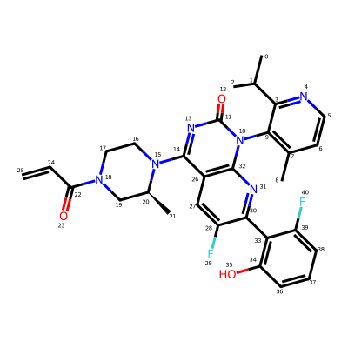 | 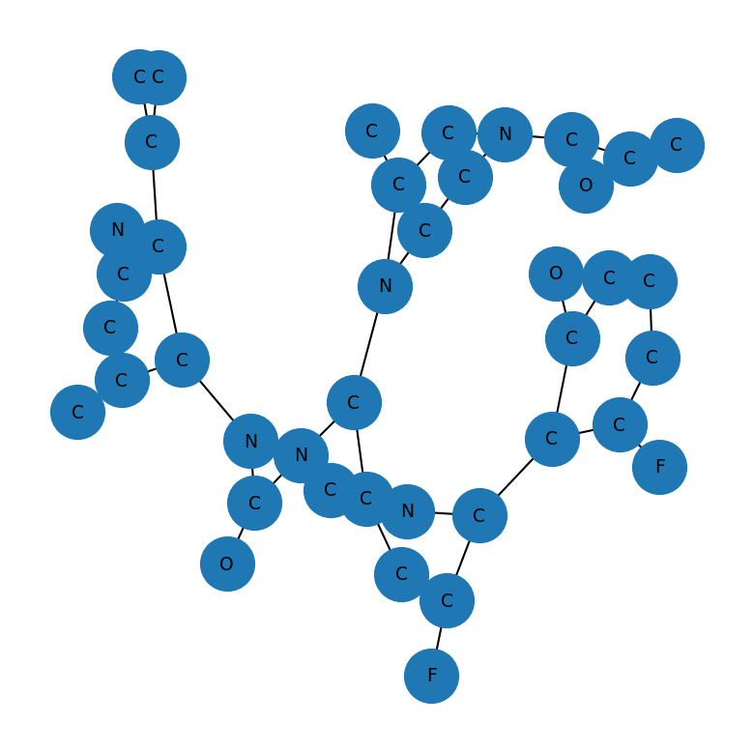
Cancer | Bleomycin | [H][C@](C)(NC(=O)[C@@]([H])(NC(=O)C1=NC(=NC(N)=C1C)[C@H](CC(N)=O)NC[C@H](N)C(N)=O)[C@@]([H])(OC1OC(CO)C(O)C(O)C1OC1OC(CO)C(O)C(OC(N)=O)C1O)C1=CNC=N1)[C@@H](O)[C@H](C)C(=O)N[C@]([H])(C(=O)NCCC1=NC(=CS1)C1=NC(=CS1)C(=O)NCCC[S+](C)C)[C@@]([H])(C)O | 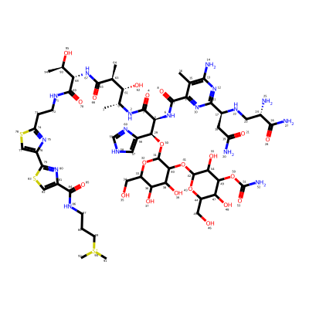 | 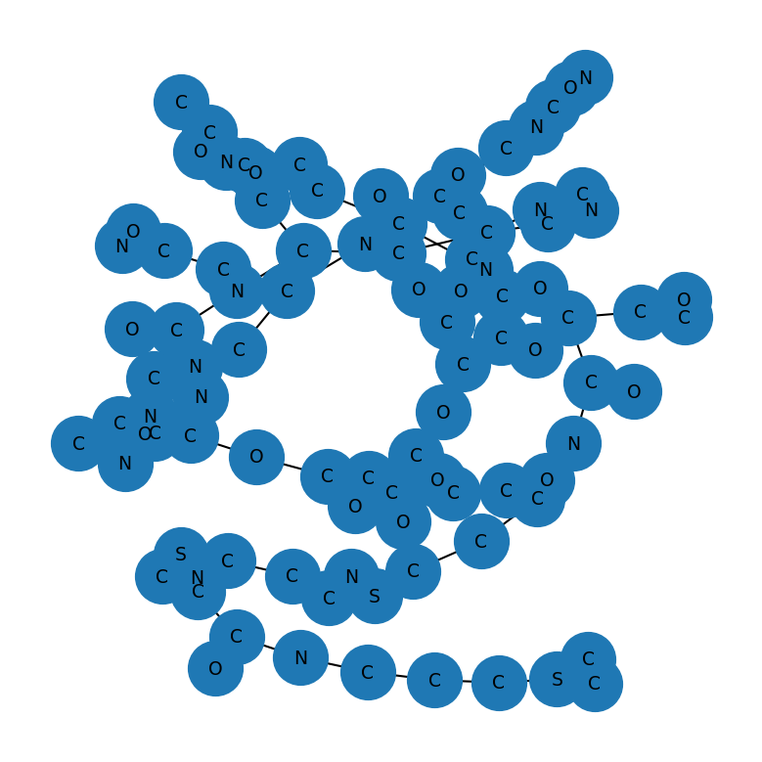
Ovarian, Prostate cancer | Rucaparib | CNCC1=CC=C(C=C1)C1=C2CCNC(=O)C3=C2C(N1)=CC(F)=C3 | 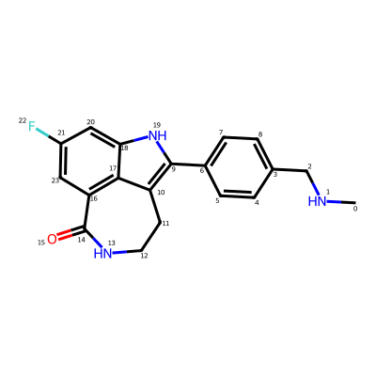 | 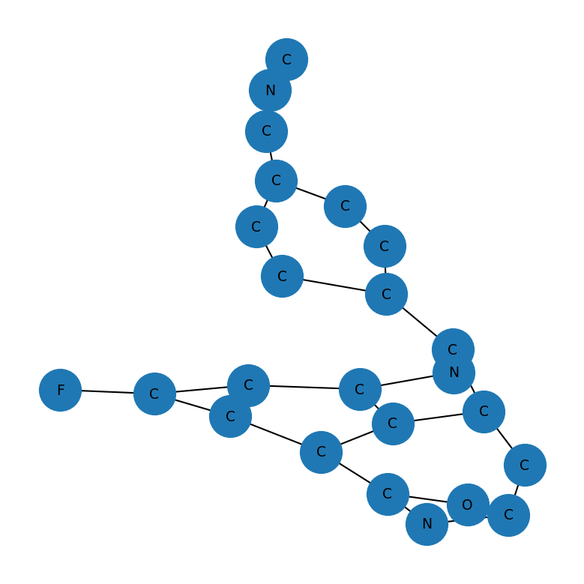
Lung cancer | Afatinib | CN(C)C\C=C\C(=O)NC1=C(O[C@H]2CCOC2)C=C2N=CN=C(NC3=CC(Cl)=C(F)C=C3)C2=C1 | 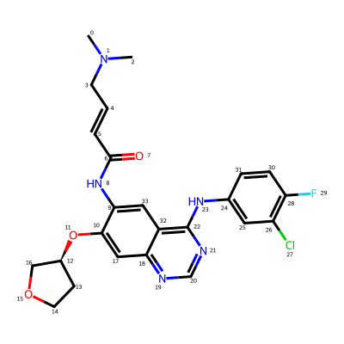 | 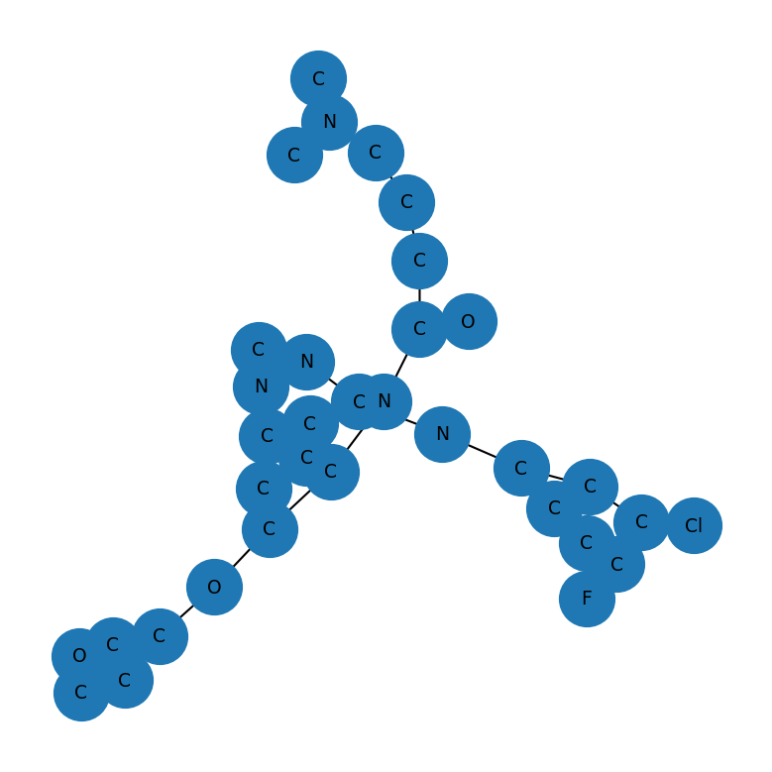
Lung cancer | Pemetrexed | NC1=NC(=O)C2=C(NC=C2CCC2=CC=C(C=C2)C(=O)N[C@@H](CCC(O)=O)C(O)=O)N1 | 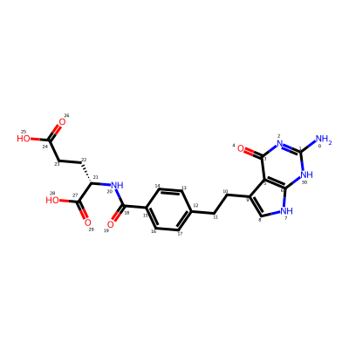 | 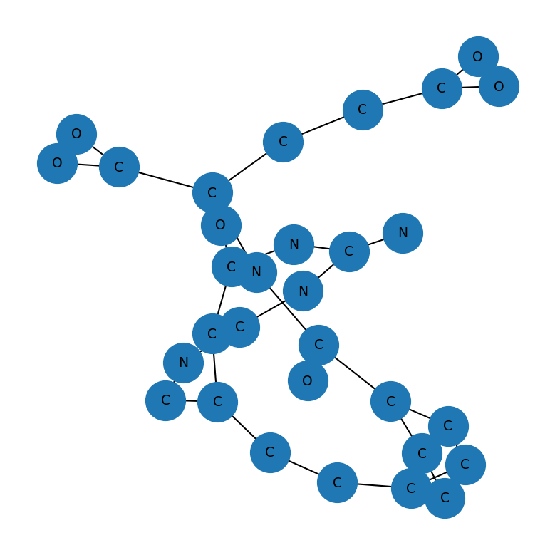
bone marrow and blood cancer | Ruxolitinib | N#CC[C@H](C1CCCC1)N1C=C(C=N1)C1=C2C=CNC2=NC=N1 | 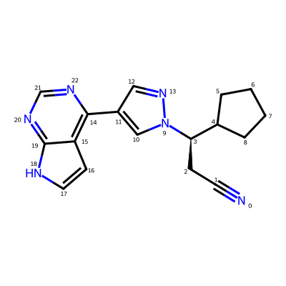 | 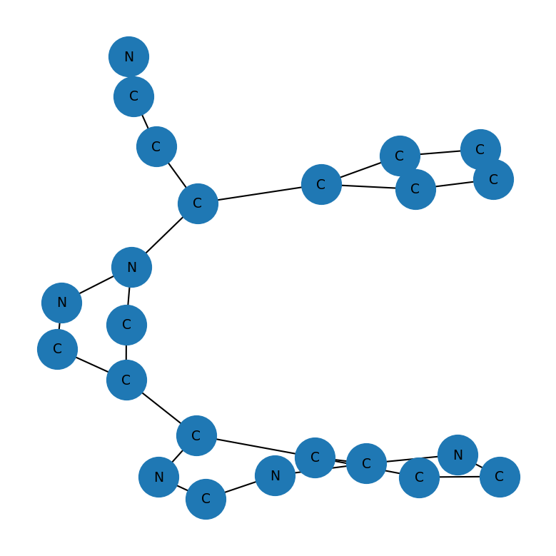
Breast Cancer | Palbociclib | CC(=O)C1=C(C)C2=CN=C(NC3=NC=C(C=C3)N3CCNCC3)N=C2N(C2CCCC2)C1=O | 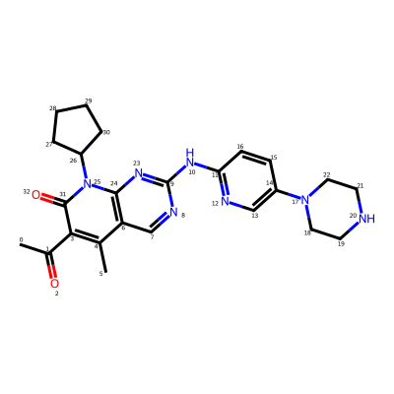 | 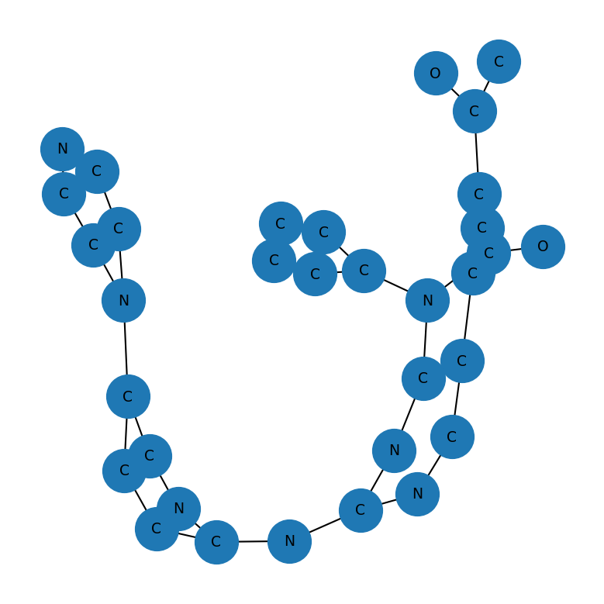
Brain , Blood Cancer | Lomustine | ClCCN(N=O)C(=O)NC1CCCCC1 | 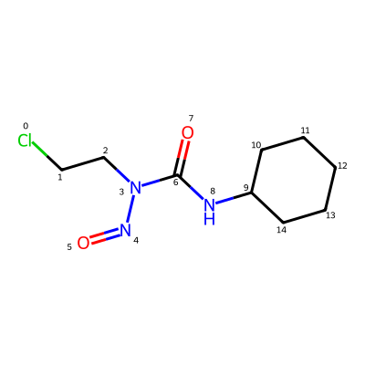 | 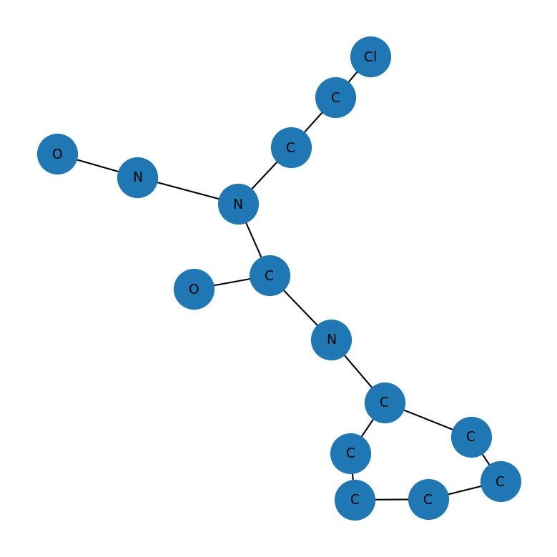
Breast Cancer | Anastrozole | CC(C)(C#N)C1=CC(=CC(CN2C=NC=N2)=C1)C(C)(C)C#N | 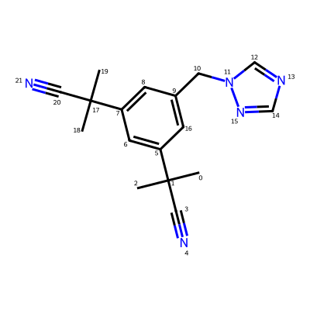 | 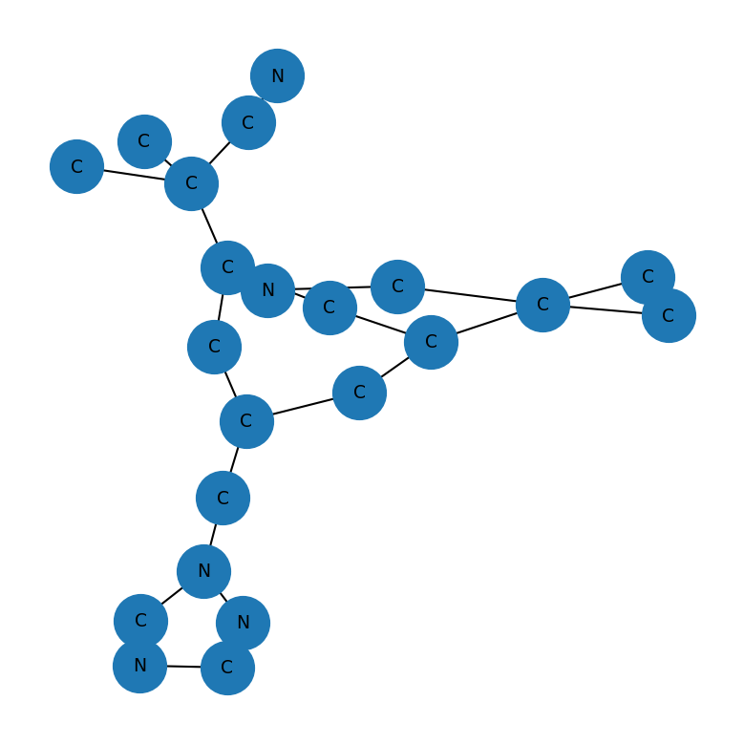
Breast Cancer | Exemestane | [H][C@@]12CCC(=O)[C@@]1(C)CC[C@@]1([H])[C@@]2([H])CC(=C)C2=CC(=O)C=C[C@]12C | 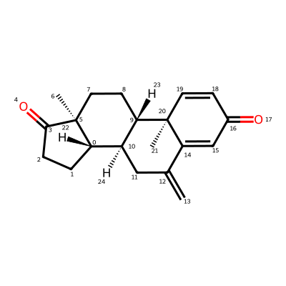 | 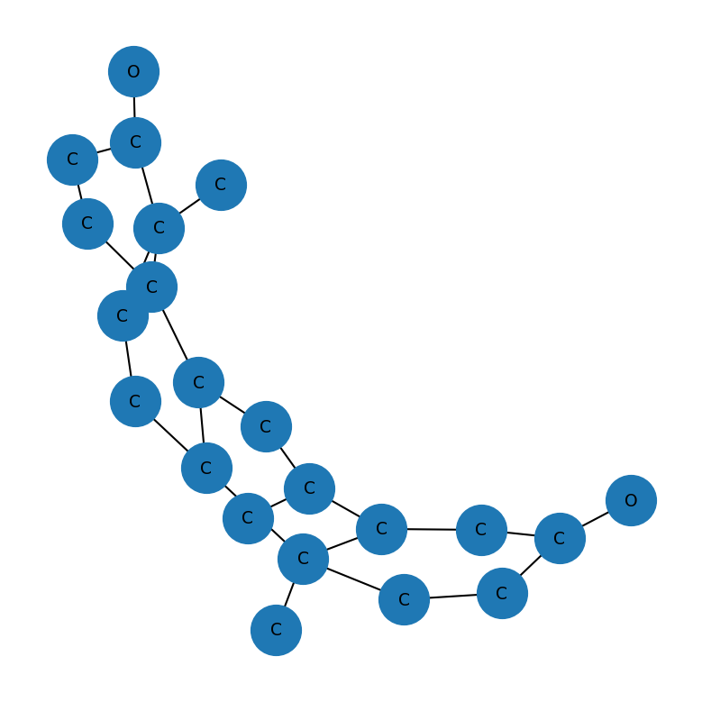
Breast Cancer | Fulvestrant | [H][C@@]12CC[C@H](O)[C@@]1(C)CC[C@]1([H])C3=CC=C(O)C=C3C[C@@H](CCCCCCCCCS(=O)CCCC(F)(F)C(F)(F)F)[C@@]21[H] | 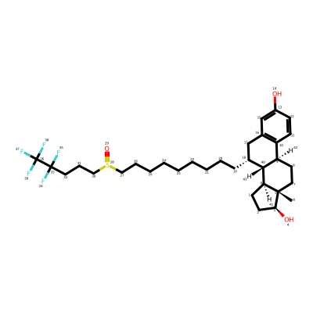 | 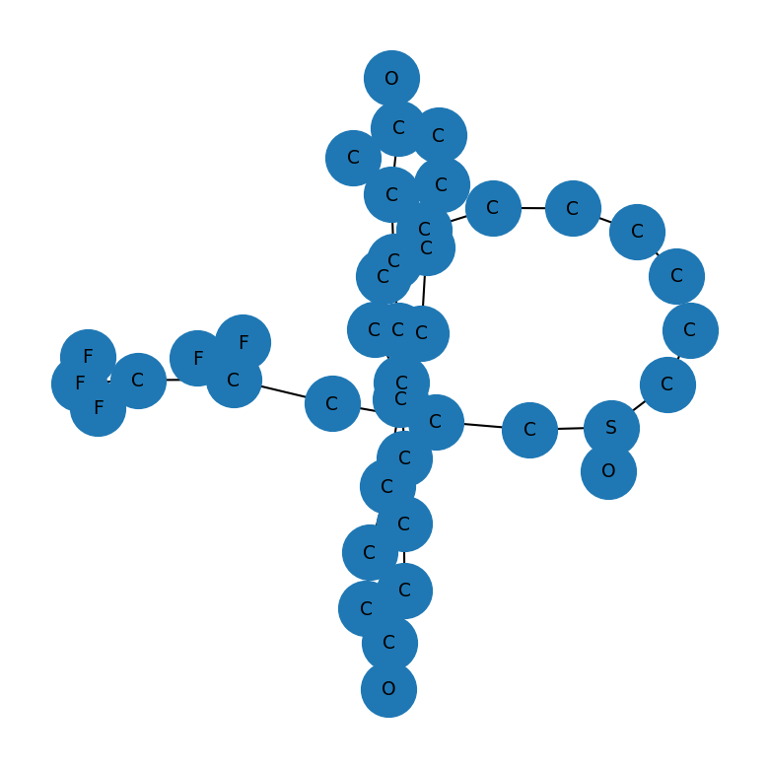
Breast Cancer | Toremifene | CN(C)CCOC1=CC=C(C=C1)C(=C(\CCCl)C1=CC=CC=C1)\C1=CC=CC=C1 | 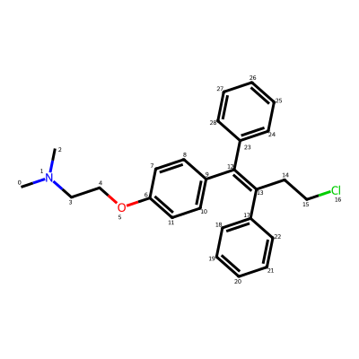 | 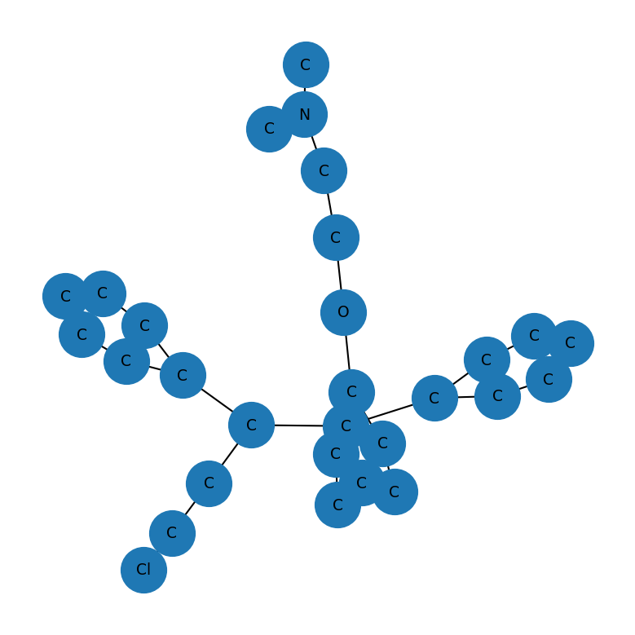
urinary tract | Erdafitinib | COC1=CC(=CC(OC)=C1)N(CCNC(C)C)C1=CC=C2N=CC(=NC2=C1)C1=CN(C)N=C1 | 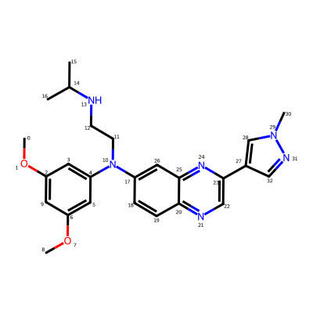 | 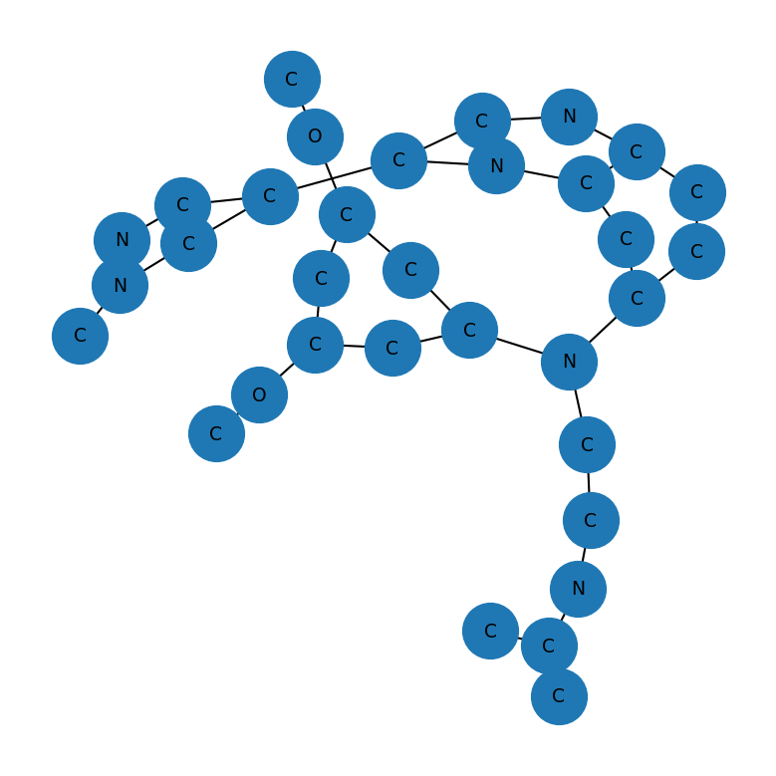
Breast Cancer | Neratinib | CCOC1=C(NC(=O)\C=C\CN(C)C)C=C2C(NC3=CC=C(OCC4=CC=CC=N4)C(Cl)=C3)=C(C=NC2=C1)C#N | 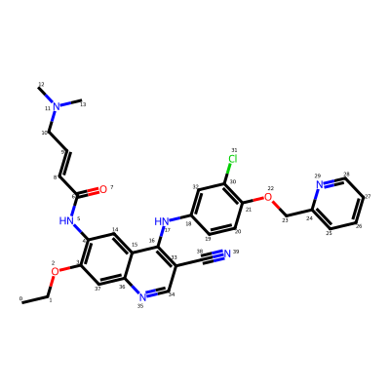 | 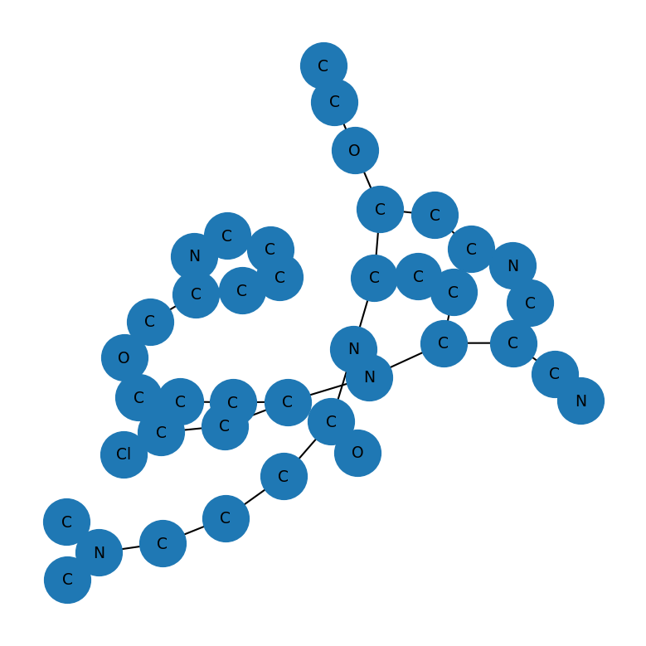
Cancer | Larotrectinib | O[C@H]1CCN(C1)C(=O)NC1=C2N=C(C=CN2N=C1)N1CCC[C@@H]1C1=C(F)C=CC(F)=C1 | 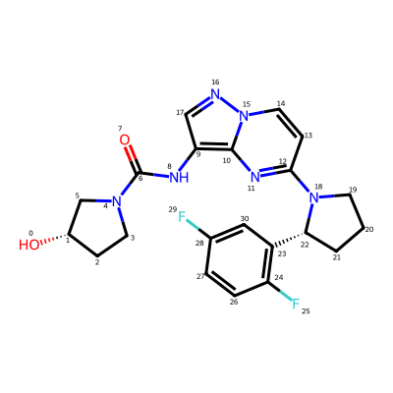 | 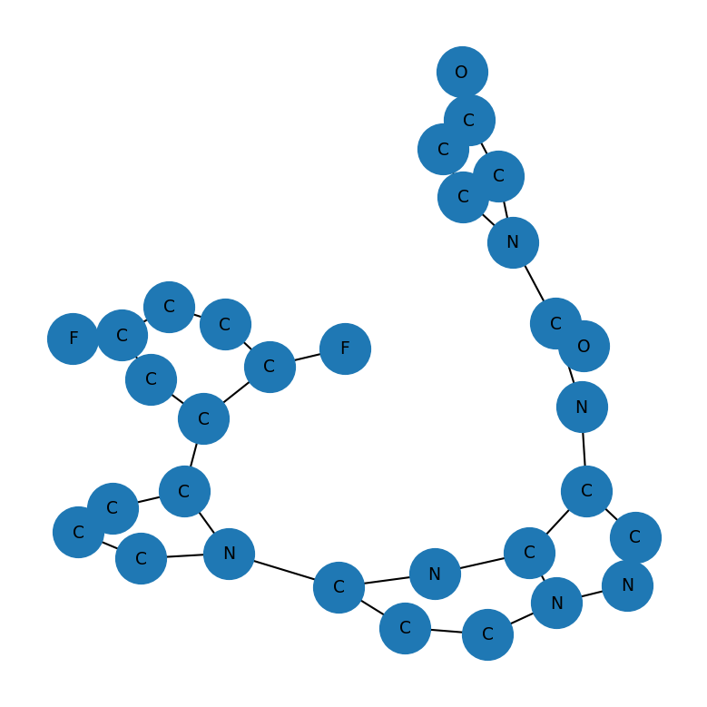
Breast Cancer | Ribociclib | CN(C)C(=O)C1=CC2=CN=C(NC3=CC=C(C=N3)N3CCNCC3)N=C2N1C1CCCC1 | 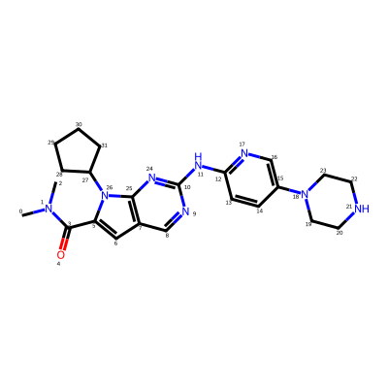 | 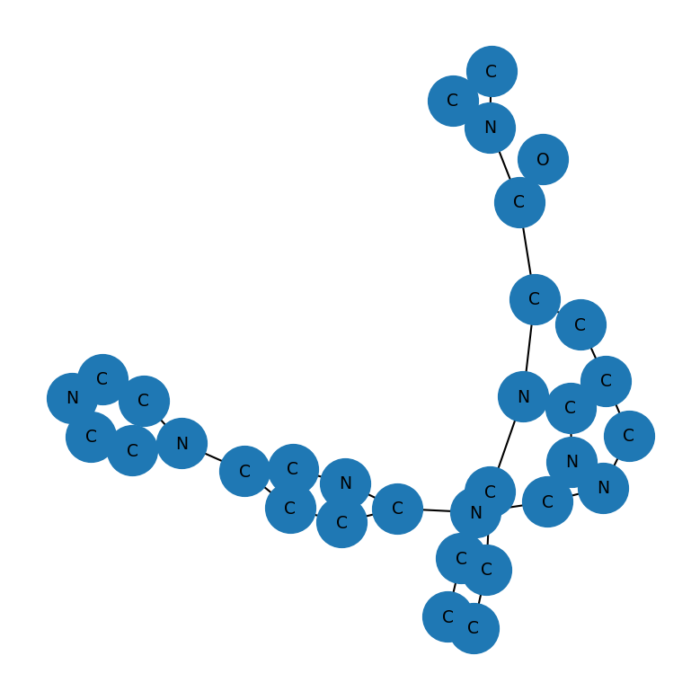
Breast Cancer | Talazoparib | CN1N=CN=C1[C@@H]1[C@H](NC2=C3C1=NNC(=O)C3=CC(F)=C2)C1=CC=C(F)C=C1 | 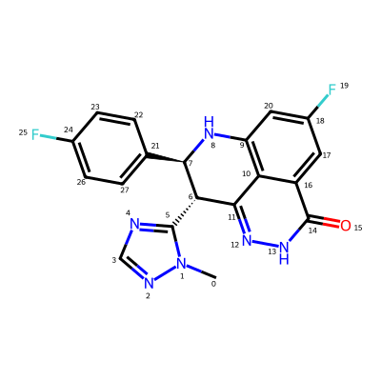 | 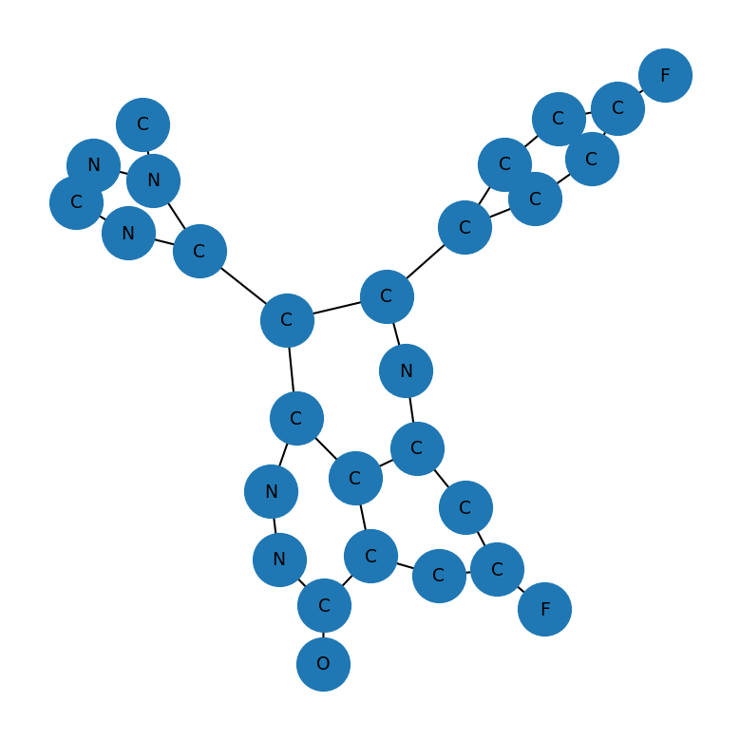
Skin Cancer | Carfilzomib | CC(C)C[C@H](NC(=O)[C@H](CCC1=CC=CC=C1)NC(=O)CN1CCOCC1)C(=O)N[C@@H](CC1=CC=CC=C1)C(=O)N[C@@H](CC(C)C)C(=O)[C@@]1(C)CO1 | 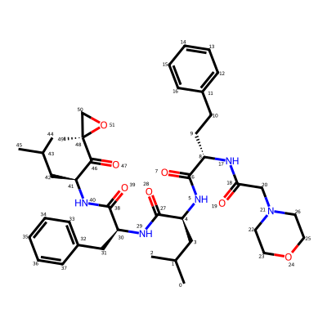 | 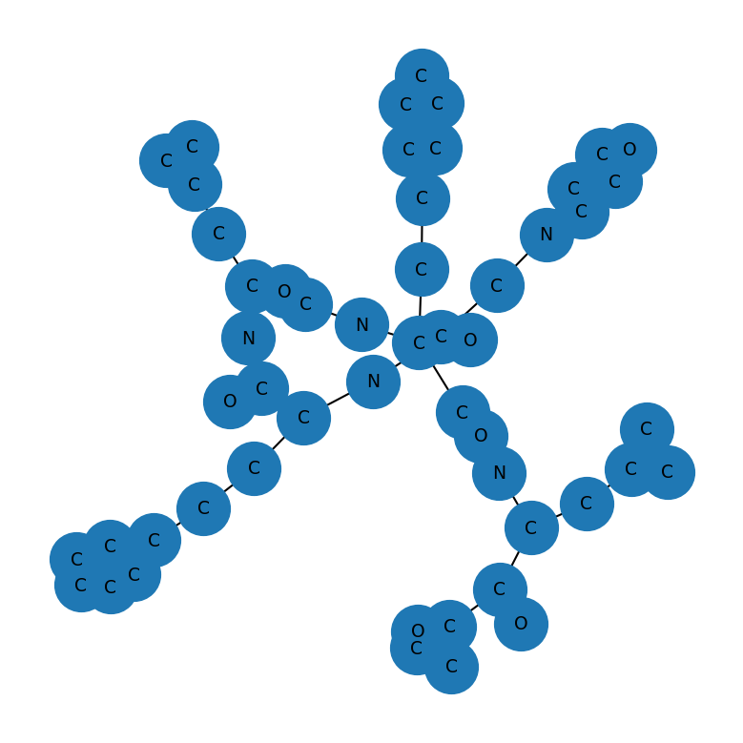
Cancer | Pazopanib | CN(C1=CC2=NN(C)C(C)=C2C=C1)C1=CC=NC(NC2=CC=C(C)C(=C2)S(N)(=O)=O)=N1 | 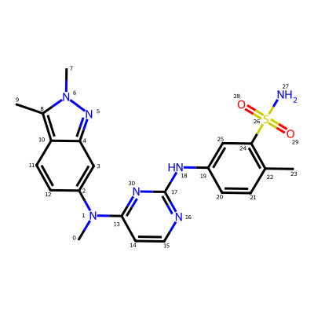 | 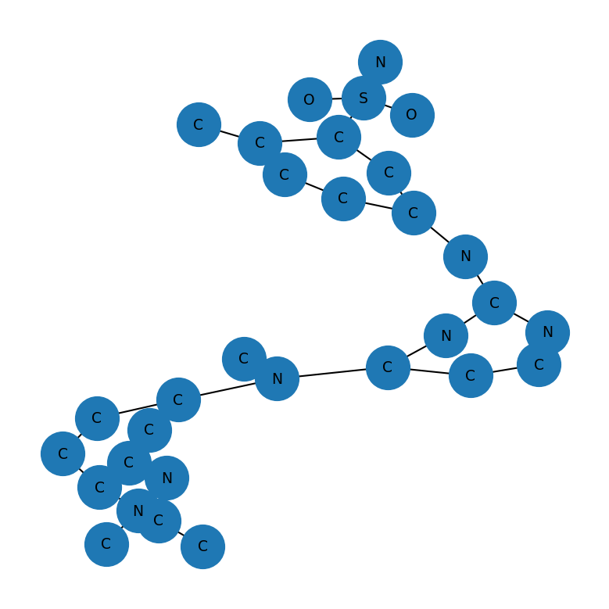
Cancer Types | Vindesine | [H][C@@]12N3CC[C@@]11C4=CC(=C(OC)C=C4N(C)[C@@]1([H])[C@](O)([C@H](O)[C@]2(CC)C=CC3)C(N)=O)[C@]1(C[C@@]2([H])CN(C[C@](O)(CC)C2)CCC2=C1NC1=C2C=CC=C1)C(=O)OC | 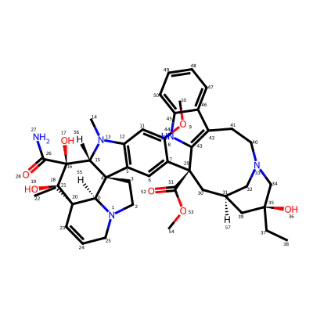 | 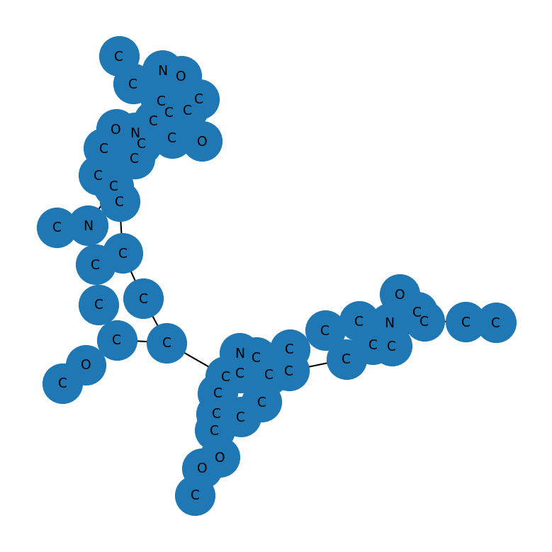
Cancer | Vincristine | [H][C@@]12N3CC[C@@]11C4=C(C=C(OC)C(=C4)[C@]4(C[C@H]5C[N@](C[C@](O)(CC)C5)CCC5=C4NC4=CC=CC=C54)C(=O)OC)N(C=O)[C@@]1([H])[C@](O)([C@H](OC(C)=O)[C@]2(CC)C=CC3)C(=O)OC |  | 
Cancer | Ifosfamide | ClCCNP1(=O)OCCCN1CCCl |  | 
Breast,Bladder,Ovary Cancer | Thiotepa | S=P(N1CC1)(N1CC1)N1CC1 |  | 
pancreatic cancer | Streptozocin | CN(N=O)C(=O)N[C@@H](C=O)[C@@H](O)[C@H](O)[C@H](O)CO |  | 
Skin cancer | Encorafenib | COC(=O)N[C@@H](C)CNC1=NC=CC(=N1)C1=CN(N=C1C1=CC(Cl)=CC(NS(C)(=O)=O)=C1F)C(C)C |  | 
Skin,Throid,Lung cancer | Dabrafenib | CC(C)(C)C1=NC(=C(S1)C1=NC(N)=NC=C1)C1=C(F)C(NS(=O)(=O)C2=C(F)C=CC=C2F)=CC=C1 |  | 
skin cancer, lung cancer, and thyroid cancer. | Trametinib | CN1C(=O)C(C)=C2N(C(=O)N(C3CC3)C(=O)C2=C1NC1=CC=C(I)C=C1F)C1=CC(NC(C)=O)=CC=C1 |  | 
Ovaries Cancer | Carboplatin | [H][N]([H])([H])[Pt]1(OC(=O)C2(CCC2)C(=O)O1)[N]([H])([H])[H] |  | 
pancreatic cancer,breast,lungs cancer | Gemcitabine | NC1=NC(=O)N(C=C1)[C@@H]1O[C@H](CO)[C@@H](O)C1(F)F |  | 
Cancer | Cyclophosphamide | ClCCN(CCCl)P1(=O)NCCCO1 |  | 
Cancer | Imatinib | CN1CCN(CC2=CC=C(C=C2)C(=O)NC2=CC(NC3=NC=CC(=N3)C3=CN=CC=C3)=C(C)C=C2)CC1 |  | 
ovarian cancer, breast cancer, pancreatic cancer,prostate cancer | Olaparib | FC1=CC=C(CC2=NNC(=O)C3=CC=CC=C23)C=C1C(=O)N1CCN(CC1)C(=O)C1CC1 |  | 
Lukemia | Ponatinib | CN1CCN(CC2=CC=C(NC(=O)C3=CC(C#CC4=CN=C5C=CC=NN45)=C(C)C=C3)C=C2C(F)(F)F)CC1 |  | 

leukemia | Nilotinib | CC1=CN(C=N1)C1=CC(NC(=O)C2=CC=C(C)C(NC3=NC=CC(=N3)C3=CN=CC=C3)=C2)=CC(=C1)C(F)(F)F |  | 
leukemia | Ivosidenib | [H][C@@](N(C(=O)[C@]1([H])CCC(=O)N1C1=NC=CC(=C1)C#N)C1=CC(F)=CN=C1)(C(=O)NC1CC(F)(F)C1)C1=C(Cl)C=CC=C1 |  | 
leukemia | Olutasidenib | C[C@H](NC1=CC=C(C#N)N(C)C1=O)C1=CC2=C(NC1=O)C=CC(Cl)=C2 |  | 
brain tumor | Vorasidenib | C[C@@H](NC1=NC(=NC(N[C@H](C)C(F)(F)F)=N1)C1=CC=CC(Cl)=N1)C(F)(F)F |  | 
Lung Cancer | Vinorelbine | [H][C@@]12N(C)C3=CC(OC)=C(C=C3[C@@]11CCN3CC=C[C@](CC)([C@@]13[H])[C@@]([H])(OC(C)=O)[C@]2(O)C(=O)OC)[C@]1(C[C@@]2([H])CN(CC(CC)=C2)CC2=C1NC1=CC=CC=C21)C(=O)OC |  | 
Cancer | Belzutifan | CS(=O)(=O)C1=CC=C(OC2=CC(=CC(F)=C2)C#N)C2=C1[C@H](O)[C@H](F)[C@@H]2F |  | 
Cancer | Belinostat | ONC(=O)\C=C\C1=CC=CC(=C1)S(=O)(=O)NC1=CC=CC=C1 |  | 
Cancer | Pentostatin | OC[C@H]1O[C@H](C[C@@H]1O)N1C=NC2=C1N=CNC[C@H]2O |  | 
Cancer | Onureg | NC1=NC(=O)N(C=N1)[C@@H]1O[C@H](CO)[C@@H](O)[C@H]1O |  | 
Colon Cancers | Oxaliplatin | [H][N]1([H])[C@@H]2CCCC[C@H]2[N]([H])([H])[Pt]11OC(=O)C(=O)O1 |  | 
Skin Cancer | Imiquimod | CC(C)CN1C=NC2=C1C1=C(C=CC=C1)N=C2N |  | 
Lung Cancer | Gefitinib | COC1=C(OCCCN2CCOCC2)C=C2C(NC3=CC(Cl)=C(F)C=C3)=NC=NC2=C1 |  | 
Blood Cancer | Ixazomib | CC(C)C[C@H](NC(=O)CNC(=O)C1=CC(Cl)=CC=C1Cl)B(O)O |  | 
Lung , Pancreas | Erlotinib | COCCOC1=CC2=C(C=C1OCCOC)C(NC1=CC(=CC=C1)C#C)=NC=N2 |  | 
kidney, liver, and thyroid cancer. | Cabozantinib | COC1=CC2=C(C=C1OC)C(OC1=CC=C(NC(=O)C3(CC3)C(=O)NC3=CC=C(F)C=C3)C=C1)=CC=N2 |  | 
Lukemia | Gilteritinib | CCC1=C(NC2CCOCC2)N=C(NC2=CC=C(N3CCC(CC3)N3CCN(C)CC3)C(OC)=C2)C(=N1)C(N)=O |  | 
Prostate Cancer | Enzalutamide | CNC(=O)C1=C(F)C=C(C=C1)N1C(=S)N(C(=O)C1(C)C)C1=CC=C(C#N)C(=C1)C(F)(F)F |  | 
Lung Cancer | Dacomitinib | COC1=C(NC(=O)\C=C\CN2CCCCC2)C=C2C(NC3=CC(Cl)=C(F)C=C3)=NC=NC2=C1 |  | 
Lung Cancer | Crizotinib | C[C@@H](OC1=CC(=CN=C1N)C1=CN(N=C1)C1CCNCC1)C1=C(Cl)C=CC(F)=C1Cl |  | 
Lung Cancer | Ceritinib | CC(C)OC1=C(NC2=NC=C(Cl)C(N2)=NC2=CC=CC=C2S(=O)(=O)C(C)C)C=C(C)C(=C1)C1CCNCC1 |  | 
Lung Cancer | Alectinib | CCC1=CC2=C(C=C1N1CCC(CC1)N1CCOCC1)C(C)(C)C1=C(C3=CC=C(C=C3N1)C#N)C2=O |  | 
Lung Cancer | Brigatinib | COC1=CC(=CC=C1NC1=NC=C(Cl)C(NC2=CC=CC=C2P(C)(C)=O)=N1)N1CCC(CC1)N1CCN(C)CC1 |  | 
Lung Cancer | Lorlatinib | C[C@H]1OC2=C(N)N=CC(=C2)C2=C(C#N)N(C)N=C2CN(C)C(=O)C2=C1C=C(F)C=C2 |  | 
kidney, liver, and thyroid cancer. | Cabometyx | COC1=CC2=C(C=C1OC)C(OC1=CC=C(NC(=O)C3(CC3)C(=O)NC3=CC=C(F)C=C3)C=C1)=CC=N2
Lung Cancer | Capmatinib | CNC(=O)C1=C(F)C=C(C=C1)C1=NN2C(CC3=CC4=C(C=C3)N=CC=C4)=CN=C2N=C1 |  | 
Lung Cancer | Tepotinib | CN1CCC(COC2=CN=C(N=C2)C2=CC(CN3N=C(C=CC3=O)C3=CC(=CC=C3)C#N)=CC=C2)CC1 |  | 
Cancer | Selpercatinib | COC1=NC=C(CN2C3CC2CN(C3)C2=CC=C(C=N2)C2=CC(OCC(C)(C)O)=CN3N=CC(C#N)=C23)C=C1 |  | 
Breast Cancer | Poziotinib | COC1=C(OC2CCN(CC2)C(=O)C=C)C=C2C(NC3=CC=C(Cl)C(Cl)=C3F)=NC=NC2=C1 |  | 
Lung Cancer | Adagrasib | [H][C@@]1(COC2=NC3=C(CCN(C3)C3=CC=CC4=C3C(Cl)=CC=C4)C(=N2)N2CCN(C(=O)C(F)=C)[C@@]([H])(CC#N)C2)CCCN1C |  | 
prostate cancer | Abiraterone | [H][C@@]12CC=C(C3=CC=CN=C3)[C@@]1(C)CC[C@@]1([H])[C@@]2([H])CC=C2C[C@@H](O)CC[C@]12C |  | 
lungs, ovaries, and breasts | Paclitaxel | [H][C@]12[C@H](OC(=O)C3=CC=CC=C3)[C@]3(O)C[C@H](OC(=O)[C@H](O)[C@@H](NC(=O)C4=CC=CC=C4)C4=CC=CC=C4)C(C)=C([C@@H](OC(C)=O)C(=O)[C@]1(C)[C@@H](O)C[C@H]1OC[C@@]21OC(C)=O)C3(C)C |  | 
Skin Cancer | Sonidegib | [H][C@]1(C)CN(C[C@@]([H])(C)O1)C1=CC=C(NC(=O)C2=CC=CC(=C2C)C2=CC=C(OC(F)(F)F)C=C2)C=N1 |  | 
Breast Cancer | Raloxifene | OC1=CC=C(C=C1)C1=C(C(=O)C2=CC=C(OCCN3CCCCC3)C=C2)C2=C(S1)C=C(O)C=C2 |  | 
testicular , lung tumors | Etoposide | [H][C@]12COC(=O)[C@]1([H])[C@H](C1=CC(OC)=C(O)C(OC)=C1)C1=CC3=C(OCO3)C=C1[C@H]2O[C@@H]1O[C@]2([H])CO[C@@H](C)O[C@@]2([H])[C@H](O)[C@H]1O |  | 
Cancer | Pomalidomide | NC1=CC=CC2=C1C(=O)N(C1CCC(=O)NC1=O)C2=O |  | 
Cancer | Fentanyl | CCC(=O)N(C1CCN(CCC2=CC=CC=C2)CC1)C1=CC=CC=C1 |  | 
Lung Cancer | Mobocertinib | COC1=C(NC2=NC=C(C(=O)OC(C)C)C(=N2)C2=CN(C)C3=C2C=CC=C3)C=C(NC(=O)C=C)C(=C1)N(C)CCN(C)C |  | 
prostate cancer | Degarelix | CC(C)C[C@H](NC(=O)[C@@H](CC1=CC=C(NC(N)=O)C=C1)NC(=O)[C@H](CC1=CC=C(NC(=O)[C@@H]2CC(=O)NC(=O)N2)C=C1)NC(=O)[C@H](CO)NC(=O)[C@@H](CC1=CC=CN=C1)NC(=O)[C@@H](CC1=CC=C(Cl)C=C1)NC(=O)[C@@H](CC1=CC=C2C=CC=CC2=C1)NC(C)=O)C(=O)N[C@@H](CCCCNC(C)C)C(=O)N1CCC[C@H]1C(=O)N[C@H](C)C(N)=O |  | 
Lung Cancer | Ensartinib | C[C@@H](OC1=CC(=NN=C1N)C(=O)NC1=CC=C(C=C1)C(=O)N1C[C@H](C)N[C@H](C)C1)C1=C(Cl)C=CC(F)=C1Cl |  | 
Lung Cancer | Repotrectinib | C[C@H]1CNC(=O)C2=C3N=C(N[C@H](C)C4=CC(F)=CC=C4O1)C=CN3N=C2 |  | 
Lung Cancer | Sunvozertinib | COC1=CC(N2CC[C@H](C2)N(C)C)=C(NC(=O)C=C)C=C1NC1=NC=CC(NC2=CC(Cl)=C(F)C=C2C(C)(C)O)=N1 |  | 
Cancer | Vandetanib | COC1=C(OCC2CCN(C)CC2)C=C2N=CN=C(NC3=C(F)C=C(Br)C=C3)C2=C1 |  | 
Blood Cancer | Tioguanine | NC1=NC(=S)C2=C(N1)N=CN2 |  | 
Ovarian and fallopian tube Cancer | Niraparib | NC(=O)C1=CC=CC2=CN(N=C12)C1=CC=C(C=C1)[C@@H]1CCCNC1 |  | 
Stomach, Colon cancer | Tegafur | FC1=CN(C2CCCO2)C(=O)NC1=O |  | 
Breast, Lung Cancer | Lapatinib | CS(=O)(=O)CCNCC1=CC=C(O1)C1=CC2=C(C=C1)N=CN=C2NC1=CC(Cl)=C(OCC2=CC(F)=CC=C2)C=C1 |  | 
Blood, bone marrow cancer | Ibrutinib | NC1=NC=NC2=C1C(=NN2[C@@H]1CCCN(C1)C(=O)C=C)C1=CC=C(OC2=CC=CC=C2)C=C1 |  | 
Blood Cancer | Bosutinib | COC1=CC(NC2=C(C=NC3=CC(OCCCN4CCN(C)CC4)=C(OC)C=C23)C#N)=C(Cl)C=C1Cl |  | 
Immune, skin cancer | Vorinostat | ONC(=O)CCCCCCC(=O)NC1=CC=CC=C1 |  | 
Blood and Bone Marrow Cancer | Dasatinib | CC1=NC(NC2=NC=C(S2)C(=O)NC2=C(C)C=CC=C2Cl)=CC(=N1)N1CCN(CCO)CC1 |  | 
Blood Cancer | Lenalidomide | NC1=CC=CC2=C1CN(C1CCC(=O)NC1=O)C2=O |  | 
Lung Cancer | Nintedanib | COC(=O)C1=CC=C2C(NC(=O)\C2=C(/NC2=CC=C(C=C2)N(C)C(=O)CN2CCN(C)CC2)C2=CC=CC=C2)=C1 |  | 
Lukemia | Daunorubicin | COC1=CC=CC2=C1C(=O)C1=C(O)C3=C(C[C@](O)(C[C@@H]3O[C@H]3C[C@H](N)[C@H](O)[C@H](C)O3)C(C)=O)C(O)=C1C2=O |  | 
Cancer | Tazemetostat | CCN(C1CCOCC1)C1=C(C)C(=CC(=C1)C1=CC=C(CN2CCOCC2)C=C1)C(=O)NCC1=C(C)C=C(C)NC1=O |  | 
Cancer | Mitomycin | [H][C@]12CN3C4=C([C@@H](COC(N)=O)[C@@]3(OC)[C@@]1([H])N2)C(=O)C(N)=C(C)C4=O |  | 
Prostate Cancer | Galeterone | [H][C@@]12CC=C(N3C=NC4=CC=CC=C34)[C@@]1(C)CC[C@@]1([H])[C@@]2([H])CC=C2C[C@@]([H])(O)CC[C@]12C |  | 
Cancer | Topotecan | CC[C@@]1(O)C(=O)OCC2=C1C=C1N(CC3=CC4=C(C=CC(O)=C4CN(C)C)N=C13)C2=O |  | 
Breast , prostate cancer | Goserelin | CC(C)C[C@H](NC(=O)[C@@H](COC(C)(C)C)NC(=O)[C@H](CC1=CC=C(O)C=C1)NC(=O)[C@H](CO)NC(=O)[C@H](CC1=CNC2=CC=CC=C12)NC(=O)[C@H](CC1=CN=CN1)NC(=O)[C@@H]1CCC(=O)N1)C(=O)N[C@@H](CCCN=C(N)N)C(=O)N1CCC[C@H]1C(=O)NNC(N)=O |  | 
Cancer | Trabectedin | [H][C@@]12[C@@H]3SC[C@]4(NCCC5=C4C=C(OC)C(O)=C5)C(=O)OC[C@H](N1[C@@H](O)[C@@H]1CC4=CC(C)=C(OC)C(O)=C4[C@H]2N1C)C1=C2OCOC2=C(C)C(OC(C)=O)=C31 |  | 
Skin Cancer | Aminolevulinic acid | NCC(=O)CCC(O)=O |  | 
Prostate Cancer | Apalutamide | CNC(=O)C1=CC=C(C=C1F)N1C(=S)N(C(=O)C11CCC1)C1=CC(=C(N=C1)C#N)C(F)(F)F |  | 
Cervical Cancer | Vinflunine | CC[C@@]12C=CCN3CC[C@@]4([C@H]13)[C@@H](N(C)C1=CC(OC)=C(C=C41)[C@]1(C[C@@H]3C[C@H](C[N@@](C3)CC3=C1NC1=CC=CC=C31)C(C)(F)F)C(=O)OC)[C@](O)([C@@H]2OC(C)=O)C(=O)OC |  | 
Prostate Cancer | Bicalutamide | CC(O)(CS(=O)(=O)C1=CC=C(F)C=C1)C(=O)NC1=CC(=C(C=C1)C#N)C(F)(F)F |  | 
Lung Cancer and Colorectal Cancer | Anlotinib | COC1=CC2=C(OC3=CC=C4NC(C)=CC4=C3F)C=CN=C2C=C1OCC1(N)CC1 |  | 
prostate cancer | Triptorelin | CC(C)C[C@H](NC(=O)[C@@H](CC1=CNC2=CC=CC=C12)NC(=O)[C@H](CC1=CC=C(O)C=C1)NC(=O)[C@H](CO)NC(=O)[C@H](CC1=CNC2=C1C=CC=C2)NC(=O)[C@H](CC1=CNC=N1)NC(=O)[C@@H]1CCC(=O)N1)C(=O)N[C@@H](CCCNC(N)=N)C(=O)N1CCC[C@H]1C(=O)NCC(N)=O |  | 
liver, kidney, and thyroid cancers | Sorafenib | CNC(=O)C1=NC=CC(OC2=CC=C(NC(=O)NC3=CC(=C(Cl)C=C3)C(F)(F)F)C=C2)=C1 |  | 
Thyroid Cancer | CM-4307 | [2H]C([2H])([2H])NC(=O)C1=CC(OC2=CC=C(NC(=O)NC3=CC=C(Cl)C(=C3)C(F)(F)F)C=C2)=CC=N1 |  | 
Cancer | Fludarabine | NC1=NC(F)=NC2=C1N=CN2[C@@H]1O[C@H](CO)[C@@H](O)[C@@H]1O |  | 
Lukemia | Mercaptopurine | S=C1N=CNC2=C1NC=N2 |  | 
breast, lung, prostate, head, and neck | Docetaxel | [H][C@@]1(C[C@@]2(O)[C@@H](OC(=O)C3=CC=CC=C3)[C@]3([H])[C@@]4(CO[C@@H]4C[C@H](O)[C@@]3(C)C(=O)[C@H](O)C(=C1C)C2(C)C)OC(C)=O)OC(=O)[C@H](O)[C@@H](NC(=O)OC(C)(C)C)C1=CC=CC=C1 |  | 
Cancer | Doxorubicin | COC1=CC=CC2=C1C(=O)C1=C(O)C3=C(C[C@](O)(C[C@@H]3O[C@H]3C[C@H](N)[C@H](O)[C@H](C)O3)C(=O)CO)C(O)=C1C2=O |  | 
Cancer | Foretinib | COC1=C(OCCCN2CCOCC2)C=C2N=CC=C(OC3=CC=C(NC(=O)C4(CC4)C(=O)NC4=CC=C(F)C=C4)C=C3F)C2=C1 |  | 
colorectal , pancreatic cancer | Irinotecan | CCC1=C2CN3C(=CC4=C(COC(=O)[C@]4(O)CC)C3=O)C2=NC2=CC=C(OC(=O)N3CCC(CC3)N3CCCCC3)C=C12 |  | 
Blood Cancer | Midostaurin | CO[C@@H]1[C@@H](C[C@H]2O[C@]1(C)N1C3=C(C=CC=C3)C3=C1C1=C(C4=C(C=CC=C4)N21)C1=C3CNC1=O)N(C)C(=O)C1=CC=CC=C1 |  | 
Cancer | Zanubrutinib | NC(=O)C1=C2NCC[C@@H](C3CCN(CC3)C(=O)C=C)N2N=C1C1=CC=C(OC2=CC=CC=C2)C=C1 |  | 
Blood Cancer | Quizartinib | CC(C)(C)C1=CC(NC(=O)NC2=CC=C(C=C2)C2=CN3C(SC4=C3C=CC(OCCN3CCOCC3)=C4)=N2)=NO1 |  | 
Cancer | Copanlisib | COC1=C(OCCCN2CCOCC2)C=CC2=C1N=C(NC(=O)C1=CN=C(N)N=C1)N1CCN=C21 |  | 
Brain Cancer | Temozolomide | CN1N=NC2=C(N=CN2C1=O)C(N)=O |  | 
Blood Cancer | Procarbazine | CNNCC1=CC=C(C=C1)C(=O)NC(C)C |  | 
Breast Cancer | Capivasertib | NC1(CCN(CC1)C1=C2C=CNC2=NC=N1)C(=O)N[C@@H](CCO)C1=CC=C(Cl)C=C1 |  | 
Lung Cancer | Pralsetinib | CO[C@@]1(CC[C@@H](CC1)C1=NC(NC2=NNC(C)=C2)=CC(C)=N1)C(=O)N[C@@H](C)C1=CC=C(N=C1)N1C=C(F)C=N1 |  | 
Lung Cancer | Firmonertinib | CN(C)CCN(C)C1=NC(OCC(F)(F)F)=C(NC2=NC=CC(=N2)C2=CN(C)C3=C2C=CC=C3)C=C1NC(=O)C=C |  | 
Blood Cancer | Chlorambuci | OC(=O)CCCC1=CC=C(C=C1)N(CCCl)CCCl |  | 
Basal cell Carcinoma | Vismodegib | CS(=O)(=O)C1=CC(Cl)=C(C=C1)C(=O)NC1=CC=C(Cl)C(=C1)C1=CC=CC=N1 |  | 
Cancer | Hydrea | NC(=O)NO |  | 
Cancer | Gedatolisib | CN(C)C1CCN(CC1)C(=O)C1=CC=C(NC(=O)NC2=CC=C(C=C2)C2=NC(=NC(=N2)N2CCOCC2)N2CCOCC2)C=C1 |  | 
Prostate Cancer | Dutasteride | [H][C@@]1(CC[C@@]2([H])[C@]3([H])CC[C@@]4([H])NC(=O)C=C[C@]4(C)[C@@]3([H])CC[C@]12C)C(=O)NC1=CC(=CC=C1C(F)(F)F)C(F)(F)F |  | 
cancer | Acalabrutinib | CC#CC(=O)N1CCC[C@H]1C1=NC(=C2N1C=CN=C2N)C1=CC=C(C=C1)C(=O)NC1=CC=CC=N1 |  | 
colorectal cancer, digestive tract , liver cancer | Regorafenib | CNC(=O)C1=CC(OC2=CC(F)=C(NC(=O)NC3=CC=C(Cl)C(=C3)C(F)(F)F)C=C2)=CC=N1 |  | 
Kidney Cancer | Axitinib | CNC(=O)C1=C(SC2=CC=C3C(NN=C3\C=C\C3=CC=CC=N3)=C2)C=CC=C1 |  | 
leukemia | Venetoclax | CC1(C)CCC(CN2CCN(CC2)C2=CC=C(C(=O)NS(=O)(=O)C3=CC=C(NCC4CCOCC4)C(=C3)[N+]([O-])=O)C(OC3=CN=C4NC=CC4=C3)=C2)=C(C1)C1=CC=C(Cl)C=C1 |  | 
Prostate Cancer | Sunitinib | CCN(CC)CCNC(=O)C1=C(C)NC(\C=C2/C(=O)NC3=C2C=C(F)C=C3)=C1C |  | 
Breast Cancer | Letrozole | N#CC1=CC=C(C=C1)C(N1C=NC=N1)C1=CC=C(C=C1)C#N |  | 
White Blood cells cancer | Panobinostat | CC1=C(CCNCC2=CC=C(\C=C\C(=O)NO)C=C2)C2=CC=CC=C2N1 |  | 
cancer | Azacitidine | NC1=NC(=O)N(C=N1)[C@@H]1O[C@H](CO)[C@@H](O)[C@H]1O
Cancer | Cobimetinib | OC1(CN(C1)C(=O)C1=C(NC2=C(F)C=C(I)C=C2)C(F)=C(F)C=C1)[C@@H]1CCCCN1 |  | 
leukemia | Cytarabine | NC1=NC(=O)N(C=C1)[C@@H]1O[C@H](CO)[C@@H](O)[C@@H]1O |  | 
Skin Cancer | Vemurafenib | CCCS(=O)(=O)NC1=C(F)C(C(=O)C2=CNC3=NC=C(C=C23)C2=CC=C(Cl)C=C2)=C(F)C=C1 |  | 
Breast Cancer | Abemaciclib | CCN1CCN(CC2=CC=C(NC3=NC=C(F)C(=N3)C3=CC(F)=C4N=C(C)N(C(C)C)C4=C3)N=C2)CC1 |  | 
blood cancers | Amsacrine | COC1=C(NC2=C3C=CC=CC3=NC3=CC=CC=C23)C=CC(NS(C)(=O)=O)=C1 |  | 
Blood Cancer | Bortezomib | CC(C)C[C@H](NC(=O)[C@H](CC1=CC=CC=C1)NC(=O)C1=CN=CC=N1)B(O)O |  | 
Prostate Cancer | Radium-223 Dichloride | [Cl-].[Cl-].[223Ra++] |  | 
Breast Cancer | Epirubicin | COC1=CC=CC2=C1C(=O)C1=C(O)C3=C(C[C@](O)(C[C@@H]3O[C@H]3C[C@H](N)[C@@H](O)[C@H](C)O3)C(=O)CO)C(O)=C1C2=O | 

Cervical Cancer | Pixantrone | NCCNC1=CC=C(NCCN)C2=C1C(=O)C1=C(C=NC=C1)C2=O |  | 
Prostate cancer | Histrelin | CC(O)=O.CC(O)=O.CCNC(=O)[C@@H]1CCCN1C(=O)[C@H](CCCNC(N)=N)NC(=O)[C@H](CC(C)C)NC(=O)[C@@H](CC1=CN(CC2=CC=CC=C2)C=N1)NC(=O)[C@H](CC1=CC=C(O)C=C1)NC(=O)[C@H](CO)NC(=O)[C@H](CC1=CNC2=C1C=CC=C2)NC(=O)[C@H](CC1=CNC=N1)NC(=O)[C@@H]1CCC(=O)N1 |  | 
Prostate cancer | Finasteride | [H][C@@]12CC[C@H](C(=O)NC(C)(C)C)[C@@]1(C)CC[C@@]1([H])[C@@]2([H])CC[C@@]2([H])NC(=O)C=C[C@]12C |  | 
Breast , liposarcoma Cancer | Eribulin | [H][C@@]12CC(=C)[C@]([H])(CC[C@@]3([H])C[C@@H](C)C(=C)[C@@]([H])(C[C@]4([H])O[C@H](C[C@H](O)CN)[C@H](OC)[C@@]4([H])CC(=O)C[C@@]4([H])CC[C@]5([H])O[C@@]6([H])[C@H]7O[C@@]8(C[C@]7([H])O[C@@]6([H])[C@@]([H])(O8)[C@@]5([H])O4)CC1)O3)O2 |  | 
Cancer | Everolimus | [H][C@@]1(C[C@@H](C)[C@]2([H])CC(=O)[C@H](C)\C=C(C)\[C@@H](O)[C@@H](OC)C(=O)[C@H](C)C[C@H](C)\C=C\C=C\C=C(C)\[C@H](C[C@]3([H])CC[C@@H](C)[C@@](O)(O3)C(=O)C(=O)N3CCCC[C@@]3([H])C(=O)O2)OC)CC[C@@H](OCCO)[C@@H](C1)OC |  | 
Kidney Cancer | Temsirolimus | OCC(C)(CO)C(=O)O[C@@H]1CC[C@@H](C[C@@H](C)[C@]2([H])CC(=O)[C@H](C)\C=C(C)\[C@@H](O)[C@@H](OC)C(=O)[C@H](C)C[C@H](C)\C=C\C=C\C=C(C)\[C@@H](OC)C[C@]3([H])CC[C@@H](C)[C@@](O)(O3)C(=O)C(=O)N3CCCC[C@H]3C(=O)O2)C[C@H]1OC |  | 
Cervical Cancer | Belotecan | CC[C@@]1(O)C(=O)OCC2=C1C=C1N(CC3=C1N=C1C=CC=CC1=C3CCNC(C)C)C2=O |  | 
skin cancer | Binimetinib | CN1C=NC2=C(F)C(NC3=CC=C(Br)C=C3F)=C(C=C12)C(=O)NOCCO |  | 
blood cancer | Idarubicin | C[C@@H]1O[C@H](C[C@H](N)[C@@H]1O)O[C@H]1C[C@@](O)(CC2=C1C(O)=C1C(=O)C3=CC=CC=C3C(=O)C1=C2O)C(C)=O |  | 
ovarian,blood or eye cancer | Melphalan | N[C@@H](CC1=CC=C(C=C1)N(CCCl)CCCl)C(O)=O |  | 
leukemia | Busulfan | CS(=O)(=O)OCCCCOS(C)(=O)=O |  | 
Cancer | Vinblastine | [H][C@@]12N(C)C3=CC(OC)=C(C=C3[C@@]11CCN3CC=C[C@@](CC)([C@@H](OC(C)=O)[C@]2(O)C(=O)OC)[C@@]13[H])[C@]1(C[C@@]2([H])CN(C[C@](O)(CC)C2)CCC2=C1NC1=C2C=CC=C1)C(=O)OC |  | 
Cervical cancer. | Lobaplatin | [Pt++].C[C@H]([O-])C([O-])=O.NC[C@@H]1CC[C@H]1CN |  | 
blood , bone marrow | Bendamustine | CN1C(CCCC(O)=O)=NC2=CC(=CC=C12)N(CCCl)CCCl |  | 
Prostate Cancer | Ixabepilone | [H][C@]12C[C@H](NC(=O)C[C@H](O)C(C)(C)C(=O)[C@H](C)[C@@H](O)[C@@H](C)CCC[C@@]1(C)O2)C(\C)=C\C1=CSC(C)=N1 |  | 
Prostate Cancer | Cabazitaxel | [H][C@]12[C@H](OC(=O)C3=CC=CC=C3)[C@]3(O)C[C@H](OC(=O)[C@H](O)[C@@H](NC(=O)OC(C)(C)C)C4=CC=CC=C4)C(C)=C([C@@H](OC)C(=O)[C@]1(C)[C@H](C[C@H]1OC[C@@]21OC(C)=O)OC)C3(C)C |  | 
Cancer | Altretamine | CN(C)C1=NC(=NC(=N1)N(C)C)N(C)C |  | 
Prostate Cancer | Satraplatin | N.[Cl-].[Cl-].[Pt+4].CC([O-])=O.CC([O-])=O.NC1CCCCC1 |  | 
hyroid, kidney, and liver | Lenvatinib | COC1=C(C=C2C(OC3=CC=C(NC(=O)NC4CC4)C(Cl)=C3)=CC=NC2=C1)C(N)=O |  | 
White Blood cells cancer | Pirtobrutinib | COC1=C(C=C(F)C=C1)C(=O)NCC1=CC=C(C=C1)C1=NN([C@@H](C)C(F)(F)F)C(N)=C1C(N)=O |  | 
Prostate Cancer | Nilutamide | CC1(C)NC(=O)N(C1=O)C1=CC(=C(C=C1)[N+]([O-])=O)C(F)(F)F |  | 
Ovarian Cancer | Fluzoparib | FC1=CC=C(CC2=NNC(=O)C3=CC=CC=C23)C=C1C(=O)N1CCN2N=C(N=C2C1)C(F)(F)F |  | 
Prostate Cancer | Raltitrexed | CN(CC1=CC2=C(NC(C)=NC2=O)C=C1)C1=CC=C(S1)C(=O)N[C@@H](CCC(O)=O)C(O)=O |  | 
Cervical Cancer | Chlorambucil | OC(=O)CCCC1=CC=C(C=C1)N(CCCl)CCCl
Prostate cancer. | Estramustine phosphate | [H][C@@]12CC[C@H](OP(O)(O)=O)[C@@]1(C)CC[C@]1([H])C3=C(CC[C@@]21[H])C=C(OC(=O)N(CCCl)CCCl)C=C3 |  | 
Prostate Cancer | Seviteronel | CC(C)[C@@](O)(C1=CN=NN1)C1=CC=C2C=C(OC(F)F)C(OC(F)F)=CC2=C1 |  | 
Cancer | Carmustine | ClCCNC(=O)N(CCCl)N=O |  | 
Blood and bone marrow Cancer | Idelalisib | [H][C@@](CC)(NC1=NC=NC2=C1N=CN2)C1=NC2=CC=CC(F)=C2C(=O)N1C1=CC=CC=C1 |  | 
Lung Cancer | Osimertinib | COC1=C(NC2=NC=CC(=N2)C2=CN(C)C3=C2C=CC=C3)C=C(NC(=O)C=C)C(=C1)N(C)CCN(C)C |  | 
breast cancer | Tucatinib | CC1=CC(NC2=NC=NC3=CC=C(NC4=NC(C)(C)CO4)C=C23)=CC=C1OC1=CC2=NC=NN2C=C1 |  | 
prostate cancer | Darolutamide | C[C@@H](CN1C=CC(=N1)C1=CC=C(C#N)C(Cl)=C1)NC(=O)C1=NNC(=C1)C(C)O |  | 
Prostate Cancer | Estradiol valerate | [H][C@@]12CC[C@H](OC(=O)CCCC)[C@@]1(C)CC[C@]1([H])C3=C(CC[C@@]21[H])C=C(O)C=C3 |  | 
Prostate Cancer | Estradiol | [H][C@@]12CC[C@H](O)[C@@]1(C)CC[C@]1([H])C3=C(CC[C@@]21[H])C=C(O)C=C3 |  | 
Prostate Cancer | Abiraterone acetate | [H][C@@]12CC=C(C3=CC=CN=C3)[C@@]1(C)CC[C@@]1([H])[C@@]2([H])CC=C2C[C@@H](O)CC[C@]12C
bone marrow | Glasdegib | CN1CC[C@H](C[C@@H]1C1=NC2=CC=CC=C2N1)NC(=O)NC1=CC=C(C=C1)C#N |  | 
prostate cancer | Relugolix | CONC(=O)NC1=CC=C(C=C1)C1=C(CN(C)C)C2=C(S1)N(CC1=C(F)C=CC=C1F)C(=O)N(C2=O)C1=CC=C(OC)N=N1 |  | 
digestive system cancer | Tipiracil | ClC1=C(CN2CCCC2=N)NC(=O)NC1=O |  | 
digestive system cancer | Trifluridine | OC[C@H]1O[C@H](C[C@@H]1O)N1C=C(C(=O)NC1=O)C(F)(F)F |  | 
Lukemia | Asciminib | O[C@@H]1CCN(C1)C1=C(C=C(C=N1)C(=O)NC1=CC=C(OC(F)(F)Cl)C=C1)C1=CC=NN1 |  | 
Chronic Myeloid Leukemia | Omacetaxine mepesuccinate | [H][C@@]1(OC(=O)[C@@](O)(CCCC(C)(C)O)CC(=O)OC)C(OC)=C[C@]23CCCN2CCC2=CC4=C(OCO4)C=C2[C@]13[H] |  | 
Blood Cancer | Decitabine | NC1=NC(=O)N(C=N1)[C@H]1C[C@H](O)[C@@H](CO)O1 |  | 
Blood Cancer | Fedratinib | CC1=CN=C(NC2=CC=C(OCCN3CCCC3)C=C2)N=C1NC1=CC=CC(=C1)S(=O)(=O)NC(C)(C)C |  | 
myeloma | Selinexor | FC(F)(F)C1=CC(=CC(=C1)C1=NN(\C=C/C(=O)NNC2=NC=CN=C2)C=N1)C(F)(F)F |  | 
Prostate Cancer | Orteronel | CNC(=O)C1=CC=C2C=C(C=CC2=C1)[C@@]1(O)CCN2C=NC=C12 |  | 
Prostate Cancer | Cyproterone acetate | [H][C@@]12C[C@]1([H])[C@@]1(C)C(=CC2=O)C(Cl)=C[C@@]2([H])[C@]3([H])CC[C@](OC(C)=O)(C(C)=O)[C@@]3(C)CC[C@]12[H] |  | 
Cancer | Pevonedistat | [H][C@]1(O)C[C@@]([H])(C[C@@]1([H])COS(N)(=O)=O)N1C=CC2=C(N[C@@]3([H])CCC4=CC=CC=C34)N=CN=C12 |  | 
Cancer | Savolitinib | C[C@H](N1N=NC2=NC=C(N=C12)C1=CN(C)N=C1)C1=CN2C=CN=C2C=C1 |  | 
Cervical Cancer | Nedaplatin | [H][N]([H])([H])[Pt]1(OCC(=O)O1)[N]([H])([H])[H] |  | 
Lung Cancer | Lazertinib | COC1=C(NC2=NC=CC(=N2)N2C=C(CN(C)C)C(=N2)C2=CC=CC=C2)C=C(NC(=O)C=C)C(=C1)N1CCOCC1 |  | 
gastrointestinal tract | Ripretinib | CCN1C(=O)C(=CC2=C1C=C(NC)N=C2)C1=C(Br)C=C(F)C(NC(=O)NC2=CC=CC=C2)=C1 |  | 
Breast Cancer | Elacestrant | CCNCCC1=CC=C(CN(CC)C2=C(C=CC(OC)=C2)[C@@H]2CCC3=CC(O)=CC=C3C2)C=C1 |  | 
Blood Cancer | Umbralisib | CC(C)OC1=C(F)C=C(C=C1)C1=NN([C@@H](C)C2=C(C3=CC=CC(F)=C3)C(=O)C3=CC(F)=CC=C3O2)C2=C1C(N)=NC=N2 |  | 
colorectal cancer | Fruquintinib | CNC(=O)C1=C(C)OC2=CC(OC3=NC=NC4=CC(OC)=C(OC)C=C34)=CC=C12 |  | 
Joint tumors | Pexidartinib | FC(F)(F)C1=CC=C(CNC2=NC=C(CC3=CNC4=NC=C(Cl)C=C34)C=C2)C=N1 |  | 
Cancer | Mocetinostat | NC1=CC=CC=C1NC(=O)C1=CC=C(CNC2=NC=CC(=N2)C2=CC=CN=C2)C=C1 |  | 
Lung Cancer | Taletrectinib | [H][C@](C)(N)COC1=CC=C(C=C1)C1=CN=C2C=C\C(NN12)=N\[C@]([H])(C)C1=CC(F)=CC=C1 |  | 
Brain Cancer | Dianhydrogalactitol | O[C@@H]([C@@H](O)[C@H]1CO1)[C@@H]1CO1 |  | 

